How to fill the doc
E-EXP-53 | Enregistrement |  |  | Date de création : 30/3/23
 | Fiche échantillon / Sample Sheet |  |  | Date de mise à jour : 15/01/2025
 |  |  |  | Version : 3

A lire avant de compléter la fiche échantillon! |  |  | Read before you fill the sample sheet!
1) La vérification de vos échantillons ne pourra se faire qu'une fois que nous aurons reçu cette fiche échantillon complétée. |  |  | 1) We need to receive this form completed before we can proceed to your samples checking.
2) Cliquez sur l’onglet correspondant à votre type d’expérience ou sur le lien ci-dessous. |  |  | 2) To fill this form, click on the tab corresponding to your experiment or the corresponding link below.
3) Les colonnes en orange doivent impérativement être renseignées. |  |  | 3) Column with an orange header must be filled.
4) Le nom de l’échantillon ne doit contenir que des caractères alphanumériques sans accent (“A” à “Z”, “0” à “9”, “-” ou ”_”). |  |  | 4) The sample name can only include alphanumerical caracters without accents (“A” to “Z”, “0” to “9” “-” and “_”).
5) Un champ colorisé en rouge signifie que les pré-requis ne sont pas vérifiés par votre échantillon. |  |  | 5) If a field is colored in red then your sample doesn’t match one of the experiment requirements.
6) Si vous avez des documents de type photo de gel ou rapport Agilent, joignez-les à cette fiche. |  |  | 6) If you have gel pictures or Agilent profiles of your samples, please join them to this sample sheet.
7) Une fois complétée, la fiche est à renvoyer à mgx@mgx.cnrs.fr. |  |  | 7) All completed documents must be sent to mgx@mgx.cnrs.fr
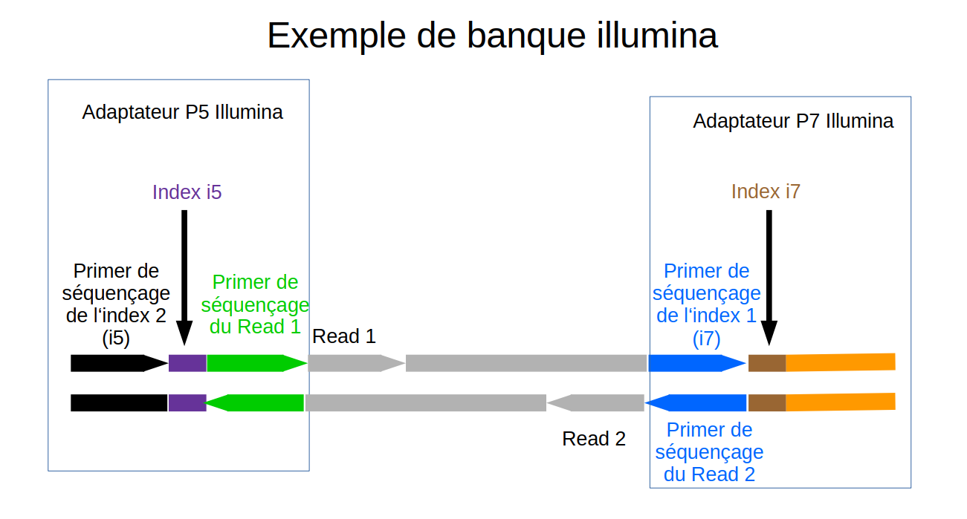
Links to the sample sheet corresponding to your experiment of :
Ready to load → |  | #RTL libraries
RNA-seq → |  | #RNA-seq
RNA-seq (small amount) → |  | #RNA-seq (low input)
scRNA-seq 3' → |  | #Single Cell RNA-seq
DNA-seq Illumina → |  | #DNA-seq (short-read)
DNA-seq MinION → |  | #DNA-seq (long-read)
ChIP-seq → |  | #ChIP-seq
RAD-seq → |  | #RAD-seq
RRBS or WGBS → |  | #RRBS or WGBS
smallRNA-seq → |  | #Small RNA-seq
Hi-C → |  | #Hi-C
BRB-seq → |  | #BRB-seq

